AND
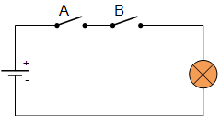
 | A | B | A and B
 | 0 | 0 | 0
 | 0 | 1 | 0
 | 1 | 0 | 0
 | 1 | 1 | 1

When the switch is open, it is 0, and when it is close it is 1.

https://www.electronics-tutorials.ws/boolean/bool_1.html

OR
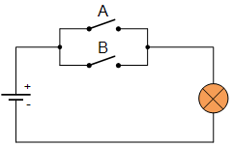

 | A | B | A or B
 | 0 | 0 | 0
 | 0 | 1 | 1
 | 1 | 0 | 1
 | 1 | 1 | 1

When the switch is open, it is 0, and when it is close it is 1.

https://www.electronics-tutorials.ws/boolean/bool_2.html

